content
Key dimensioning (linked to SOP-561)

INSTRUCTIONS
These worksheet shows the procedure for key dimensioning.
Sheet "key calculator"
Dimensioning procedure.
Sheet "application factor"
Load factor tables.
Sheet "application factor"
Key dimensions table.
Sheet "SCF"
Stress concentration factor.
Sheet "Report"
Report.

2 | 2025-11-07 | Third issue | Advanced Mechanical Design Manager - F. Cademartori | Client Qualification/ EHSS - A. Banfi/ T. Morelli Stefani | R&D Manager / M.Borghetti
1 | 2025-05-15 | Second issue | Advanced Mechanical Design Manager - F. Cademartori | Client Qualification/ EHSS - A. Banfi/ T. Morelli Stefani | R&D Manager / M.Borghetti
0 | 2024-12-02 | First issue | R&D - T. Puccetti | QA/HSEM C.Delli Quadri - M.Tremolada | R&D Manager / M.Borghetti
Rev. | Date | Description | Prepared | Checked | Approved
Mod.1140-2

key calculator
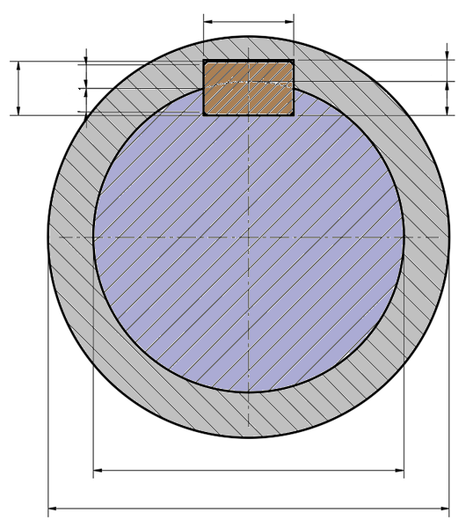
25
100
14
9
5,4
5,79
91
137
0,8
6,61
57
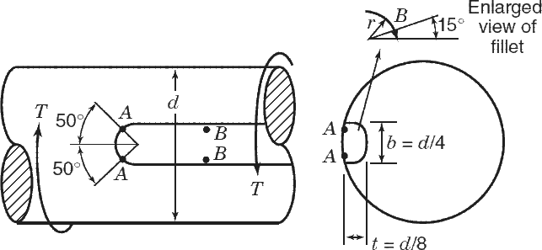
Power source | Uniform (turbine, motor) | Table 1 |  |  | b [mm] | 25 | Hsh [mm] | 6.61 |  |  | Legend
Type of load | Light Shock (oscillating pumps, etc…) | Table 1 |  |  | h [mm] | 14 | Hh [mm] | 5.79 |  |  | input data
Ka [-] | 1.2 | application factor |  |  | t1 [mm] | 9 | Fsh [N] | 33254.89 |  |  | descriptor
Coupling design | Fixed (close fit) loaded | Table 2 |  |  | t2 [mm] | 5.4 | Fh [N] | 29236.26 |  |  | calculated
Kd [-] | 1 | design factor |  |  | f [mm] | 0.8 | Rlimit [mm] | 57.00 |  |  | annotation
Number of cycles [-] | 1.00E+06 | Table 3 (default = 1.00E6)
Torque direction | Unidirectional | Table 3 |  |  |  |  |  |  |  |  | Warnings legend
Kf [-] | 0.4 | fatigue life factor |  |  |  |  |  |  |  |  | 0 | not allowable
SF [-] | 1.5 | safety factor (default = 1.5) |  |  |  |  |  |  |  |  | 0.5 | near to limit
Ksc [-] | 10 | short circ. factor (default = 10) |  |  |  |  |  |  |  |  | 1 | allowable
 |  |  |  |  |  |  |  |  |  |  |  | not allowable
 | Material name | σyield [MPa] | σultimate[MPa] |  |  |  |  |  |  |  |  | allowable
shaft | steel | 200 | 400
INSTRUCTIONS:
1) select power source, type of load, coupling design, number of cycles, torque direction (see application factor sheet) and SF;
2) define materials and their mechanical properties;
3) calculate nominal torque that key must transmit;
4) define shaft and key dimensions;
5) if the key is not standard, select "user" in the cell key and define b, h, t₁, t₂ and f;
5) verify the four mandatory criteria
6) define fillet radius and verify that ratio r/D is in the allowable range
7) verify the four SCF criteria
NOTE:
When two keys are used, due to uneven load distribution, only 65% of the total torque should be considered for key dimensioning. However, this configuration is not ideal and should be avoided whenever possible.
key | steel | 300 | 500
hub | steel | 200 | 400
 |  |  |  |  |  | operating conditions |  | short circuit (Ksc x Tnom)
T [Nm] | 500 | (nominal torque) |  | τmax [MPa] |  | 10.14 | 13.17% | 33.79 | 14.63% | STEP 1 (MANDATORY): shaft minimum diameter
Dj [mm] | 100 | (journal diameter) |  | τshear [MPa] |  | 16.63 | 14.40% | 55.42 | 19.20% | STEP 2 (MANDATORY): key shear verification
Dh [mm] | 137 | (hub diameter) |  | pshaft [MPa] |  | 62.87 | 47.15% | 209.55 | 52.39% | STEP 3 (MANDATORY): shaft/key pressure verification
Rlim [mm] | 57 | (hub limit diameter) |  | phub [MPa] |  | 63.14 | 47.36% | 210.48 | 52.62% | STEP 4 (MANDATORY): hub/key pressure verification
Dlim [mm] | 114 | (hub limit diameter) |  | σA max [MPa] |  | 25.97 | 19.48% | 86.58 | 21.65% | STEP 5A (SCF): shaft normal stress at point A verification
key | 25x14 | (key b x h) |  | τA max [MPa] |  | 12.99 | 16.87% | 43.29 | 18.75% | STEP 5B (SCF): shaft shear stress at point A verification
 | FALSE | (user dimension) |  | σB max [MPa] |  | 27.90 | 20.92% | 92.99 | 23.25% | STEP 5C (SCF): shaft normal stress at point B verification
DNmin [mm] | 85 | (min allowable DN for standard) |  | τB max [MPa] |  | 27.90 | 36.24% | 92.99 | 40.27% | STEP 5D (SCF): shaft shear stress at point B verification
DNmin [mm] | 95 | (max allowable DN for standard)
b
h
f
t₁
t₂
b [mm] | 25 | (key dimension)
h [mm] | 14
t1 [mm] | 9
t2 [mm] | 5.4
f [mm] | 0.8
Lkey [mm] | 80 | (key lenght)
r [mm] | 1 | (fillet radius)
r/D [-] | 0.010 | (fillet ratio = 0.005 - 0.07)
Dj* [mm] | 91 | (torque resistant diameter)
KtA [-] | 3.400 | (SCF at point A)
KtsA [-] | 1.700 | (shear SCF at point A)
KtB, KtsB [-] | 3.177 | (shear and normal SCF at point B, without key)
KtB, KtsB [-] | 3.652 | (shear and normal SCF at point B, with key)

tables
INSTRUCTIONS:
Most common values are highlighted in grey.
Table 1: Application factor Ka
 | Type of load
Power source | Uniform (generator, fan) | Light Shock (oscillating pumps, etc…) | Intermittent Shock (actuating pumps, etc…) | Heavy Shock (punches, shears, etc…)
Uniform (turbine, motor) | 1 | 1.2 | 1.5 | 1.8
Light shock (hydraulic motor) | 1.2 | 1.3 | 1.8 | 2.1
Medium shock (internal combustion engine) | 2 | 2.2 | 2.4 | 2.8

Table 2: Design factor Kd
Fixed (close fit) loaded | No relative axial/radial movement of the hub and the shaft occurs.; the relative positions of the shaft and hub are fixed using a suitable bearing or constructional design e.g press-fit , Shaft nuts. |  |  | 1
Flexible/Sliding - Unloaded | Relative positions of the shaft and hub are not fixed; Axial movements of the hub along the shaft occur only when coupling is unloaded. The shaft is effectively fixed when loaded. |  |  | 3
Flexible/Sliding loaded | Sliding coupling with loading:relative positions of the shaft and hub are not fixed; axial shifts of the hub along the shaft occur in loaded couplings. |  |  | 9

Table 3: Fatigue life factor Kf
Number of cycles [-] | Unidirectional | Fully-reversed
1.00E+03 | 1.8 | 1.8
1.00E+04 | 1.0 | 1.0
1.00E+05 | 0.5 | 0.4
1.00E+06 | 0.4 | 0.3
1.00E+07 | 0.3 | 0.2

SCF
r/d | Kt | polinomial | e | d | c | b | a
0.0073081324382 | 3.9651307742 | 3.948810473 | 1101346.1936 | -159464.15658 | 8741.6903423 | -228.48555427 | 5.2108302085
0.0078443371551 | 3.8864524032 | 3.8836186736
$$K_{lB}=a+b∙\frac{r}{d}+c∙{\left(\frac{r}{d}\right)}^{2}+d∙{\left(\frac{r}{d}\right)}^{3}+e∙{\left(\frac{r}{d}\right)}^{4}$$
0.0083805418719 | 3.8200327019 | 3.821529715
0.0089167465888 | 3.7538358854 | 3.7624291506
0.0096540280745 | 3.6793477506 | 3.6858395233
0.010324283971 | 3.6103425844 | 3.6206914646
0.011195616635 | 3.536968874 | 3.5420230812
0.011865872531 | 3.479018799 | 3.4858867494
0.012971685775 | 3.4044888547 | 3.4010285248
0.014010691399 | 3.3323605323 | 3.3294446456
0.015150126422 | 3.2652403356 | 3.2592016226
0.016222535856 | 3.206398721 | 3.2002499041
0.017496022059 | 3.1446914433 | 3.1383224208
0.018836533851 | 3.0865184834 | 3.0815135089
0.020284487789 | 3.0301806232 | 3.0285051395
0.021417019051 | 2.9835456579 | 2.9922482882
0.022891582022 | 2.9501129223 | 2.9508338678
0.024332632198 | 2.9159289015 | 2.9156446745
0.025701869243 | 2.8842981943 | 2.8861323308
0.026946630193 | 2.8617549783 | 2.8619676716
0.028555244344 | 2.8345842472 | 2.8336606093
0.030364935263 | 2.8050148499 | 2.8046966173
0.032174626182 | 2.7772285319 | 2.7777747829
0.033984317102 | 2.7504526255 | 2.7521231385
0.035861033611 | 2.7247762846 | 2.7263435576
0.03767072453 | 2.7002589451 | 2.702071511
0.039547441039 | 2.6764845554 | 2.6776054303
0.041424157548 | 2.6547904248 | 2.6542763049
0.043300874057 | 2.6345821935 | 2.6328333571
0.045244616156 | 2.6185939164 | 2.6137651593
0.047121332665 | 2.6030811271 | 2.5998399094
0.048998049174 | 2.5864984902 | 2.5920838047

Report
 | Mechanical Calculation KEYS and KEYWAYS |  | WG Job:

 |  |  | Order:

 |  |  | Item:

Pump Type: |  |  |  |  | 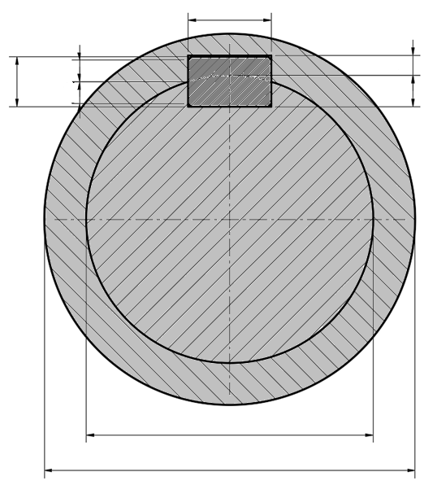
PUMP DATA |  | UNITS | VALUE
Torque applied |  | Nm | 500
KEY DIMENSION
25
100
14
9
5,4
5,79
137
0,8
6,61
Key type |  | - | 25x14
b |  | mm | 25
h |  | mm | 14
t1 |  | mm | 9
t2 |  | mm | 5.4
f |  | mm | 0.8
Key lenght |  | mm | 80
HUB DIMENSION
Hub diameter |  | mm | 137
Hub limit (geometrical) diameter |  | mm | 114
57
MATERIALS
Shaft material |  | - | steel
Hub material |  | - | steel
Key material |  | - | steel
MATERIAL DATA
Shaft allowable shear stress |  | MPa | 77
Shaft allowable contact pressure |  | MPa | 133
Key allowable contact pressure |  | MPa | 200
Key allowable shear stress |  | MPa | 115
Hub allowable contact pressure |  | MPa | 133
RESULTS (OPERATING CONDITIONS)
Shaft shear stress |  | MPa | 10.1
Key (shear stress) |  | MPa | 16.6
Shaft/key contact pressure |  | MPa | 62.9
Hub/key contact pressure |  | MPa | 63.14
RESULTS (SHORT CIRCUIT)
Shaft shear stress |  | MPa | 33.8
Key (shear stress) |  | MPa | 55.4
Shaft/key contact pressure |  | MPa | 209.6
Hub/key contact pressure |  | MPa | 210.48
KEY and KEYWAY VERIFICATION
Design |  | - | ☑
First issue
Second issue
Third issue
Description | Date (Y/M/D) | Signature | Check | Approval

